CPI
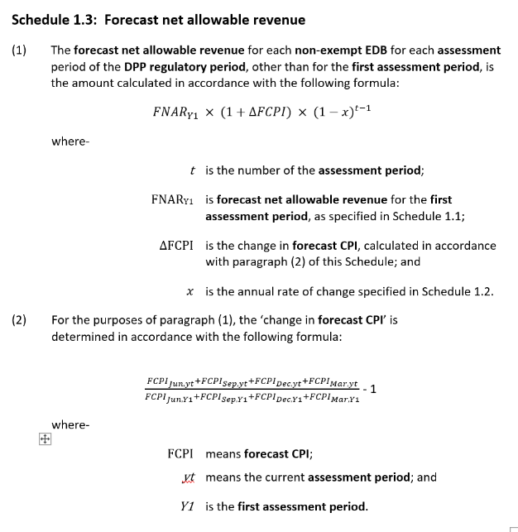
CPI calculation for the ANAR calculation
The actual CPI values in this sheet will need to be updated annually to calculate ANAR when actual CPI data is released. The outputs from this sheet are linked to the ANAR guidance sheet.
To update this sheet:
1) update the dates in cells G20 to G22
2) enter the latest Stats NZ actual CPI data in column C
3) enter the latest RBNZ CPI projection data in column I

Link to actual CPI data |  |  | March 2026 CPI ex Statistics NZ, Table 1
Link to RBNZ CPI projection |  |  | May 2026 RBNZ CPI forecast, Figure A2

∆UFCPI_{t} =
-1
Nomenclature for the Updated Forecast CPI
On this sheet ∆CPIt is calculated as: |  |  |  |  | CPIJun,t + CPISep,t + CPIDec,t + CPIMar,t
 |  |  | where– |  | CPIJun,t-1 + CPISep,t-1 + CPIDec,t-1 + CPIMar,t-1
 |  |  | CPIq,t | is CPI for the quarter year ending in ‘q’ in the relevant year ‘t’;
 |  |  | t | is the current assessment period; and
 |  |  | t-1 | is the assessment period immediately prior to the current assessment period.
 |  |  |  | Values of ∆CPIt are calculated in Column F below. Values in bold font in Column F are linked to Row 61.

End of last quarter for which actual CPI available |  |  |  |  | 2026-03-31
Applicable monetary policy statement |  |  |  |  | MPS May 2026
End of last quarter for which RBNZ forecast is available |  |  |  |  | 31/06/2029
End of quarter | Latest Stats NZ actual CPI | MPS May 2026 | Projected CPI | 8 index ∆CPI increase March YEs | Revaluation rate, 2 index, March YEs |  | MPS May 2026 CPI forecast
2021-06-30 | 1082 | 3.300 | 1082 |  |  |  | 3.3
2021-09-30 | 1106 | 4.900 | 1106 |  |  |  | 4.9
2021-12-31 | 1122 | 5.900 | 1122 |  |  |  | 5.9
2022-03-31 | 1142 | 6.900 | 1142 |  |  |  | 6.9
2022-06-30 | 1161 | 7.300 | 1161 |  |  |  | 7.3
2022-09-30 | 1186 | 7.200 | 1186 |  |  |  | 7.2
2022-12-31 | 1203 | 7.200 | 1203 |  |  |  | 7.2
2023-03-31 | 1218 | 6.700 | 1218 |  |  |  | 6.7
2023-06-30 | 1231 | 6.000 | 1231 |  |  |  | 6
2023-09-30 | 1253 | 5.600 | 1253 |  |  |  | 5.6
2023-12-31 | 1259 | 4.700 | 1259 |  |  |  | 4.7
2024-03-31 | 1267 | 4.000 | 1267 |  |  |  | 4
2024-06-30 | 1272 | 3.300 | 1272 |  | 3.33% |  | 3.3
2024-09-30 | 1280 | 2.200 | 1280 |  | 2.15% |  | 2.2
2024-12-31 | 1287 | 2.200 | 1287 |  | 2.22% |  | 2.2
2025-03-31 | 1299 | 2.500 | 1299 |  | 2.53% |  | 2.5
2025-06-30 | 1306 | 2.700 | 1306 | 2.40% | 2.67% |  | 2.7
2025-09-30 | 1319 | 3.000 | 1319 | 2.62% | 3.05% |  | 3
2025-12-31 | 1327 | 3.100 | 1327 | 2.84% | 3.11% |  | 3.1
2026-03-31 | 1339 | 3.100 | 1339 | 2.98% | 3.08% |  | 3.1
2026-06-30 |  | 4.200 | 1361 | 3.36% | 4.20% |  | 4.2
2026-09-30 |  | 4.300 | 1376 | 3.68% | 4.30% |  | 4.3
2026-12-31 |  | 4.100 | 1381 | 3.92% | 4.10% |  | 4.1
2027-03-31 |  | 3.700 | 1389 | 4.07% | 3.70% |  | 3.7
2027-06-30 |  | 2.400 | 1394 | 3.62% | 2.40% |  | 2.4
2027-09-30 |  | 2.000 | 1403 | 3.04% | 2.00% |  | 2
2027-12-31 |  | 2.000 | 1409 | 2.52% | 2.00% |  | 2
2028-03-31 |  | 2.000 | 1416 | 2.10% | 2.00% |  | 2
2028-06-30 |  | 2.000 | 1421 | 2.00% | 2.00% |  | 2
2028-09-30 |  | 2.000 | 1431 | 2.00% | 2.00% |  | 2
2028-12-31 |  | 2.000 | 1437 | 2.00% | 2.00% |  | 2
2029-03-31 |  | 2.000 | 1445 | 2.00% | 2.00% |  | 2
2029-06-30 |  | 2.000 | 1450 | 2.00% | 2.00% |  | 2
2029-09-30 |  | 2.000 | 1460 | 2.00% | 2.00% |  | 2
2029-12-31 |  | 2.000 | 1466 | 2.00% | 2.00% |  | 2
2030-03-31 |  | 2.000 | 1474 | 2.00% | 2.00% |  | 2
 |  |  |  |  |  |  |  |  |  | The Reserve Bank forecast in Column I went as far as June 2029.
 |  |  |  |  |  |  |  |  |  | The IMs require subsequent quarters to be based on the last available
Updated ∆CPI as at MPS May 2026 |  |  |  |  |  |  |  |  |  | quarter and the difference between the last available quarterly forecast
 |  |  |  | 2024/25 | 2025/26 | 2026/27 | 2027/28 | 2028/29 | 2029/30 | and the target midpoint. This difference is nil, so the June 2029
∆CPI for price path |  |  |  |  | 2.98% | 4.07% | 2.10% | 2.00% | 2.00% | value has been simply extrapolated.
∆CPI for revaluations |  |  |  | 2.53% | 3.08% | 3.70% | 2.00% | 2.00% | 2.00% | Grey cells have been extrapolated from the last available quarter.

BBAR
Building block allowable revenue |  |  |  |  |  |  |  |  |  | Wellington Electricity
This sheet calculates the building blocks allowable revenue for each year of the regulatory period.
Inputs
 | Source | Value | 2023/24 | 2024/25 | 2025/26 | 2026/27 | 2027/28 | 2028/29 | 2029/30
Year in regulatory period | EDB data |  |  |  | 1 | 2 | 3 | 4 | 5
Tax rate | EDB data |  | 28% | 28% | 28% | 28% | 28% | 28% | 28%
Term credit spread differential allowance | EDB data |  | 376 | 396 | 412 | 439 | 480 | 517 | 559
Value of commissioned assets | EDB data |  | 53,543 | 47,330 | 72,678 | 104,144 | 93,105 | 106,567 | 75,813
Operating expenditure | EDB data |  |  |  | 45,193 | 46,782 | 48,444 | 50,200 | 52,033

Vanilla WACC (67th percentile) | EDB data | 7.10%
TFopex | TIMING | 1.0348
TFtax | TIMING | 1.0348
TFVCA | TIMING | 1.0348
TFrev | TIMING | 1.0282
Aggregate opening RAB value | RAB |  | 803,430 | 847,276 | 880,386 | 937,615 | 1,026,719 | 1,104,489 | 1,195,196
Total revaluation | RAB |  | 32,290 | 18,621 | 18,471 | 18,736 | 20,518 | 22,074 | 23,888
Total depreciation | RAB |  | 32,361 | 32,842 | 33,920 | 33,775 | 35,854 | 37,933 | 40,331
Opening deferred tax | TAX |  | (49,298) | (52,732) | (56,872) | (61,181) | (66,403) | (72,638) | (79,551)
Closing deferred tax | TAX |  | (52,732) | (56,872) | (61,181) | (66,403) | (72,638) | (79,551) | (87,268)
Regulatory tax adjustments | TAX |  | (4,481) | (4,165) | (4,271) | (5,413) | (6,940) | (8,091) | (9,506)
Opening RAB value for existing assets for the base year | RAB |  | 803,430

Calculations
Building blocks are used to calculate building block allowable revenue (BBAR).
Schematically, the high level BBAR calculation is structured as follows: |  |  |  | In formula form the BBAR calculation is as follows:

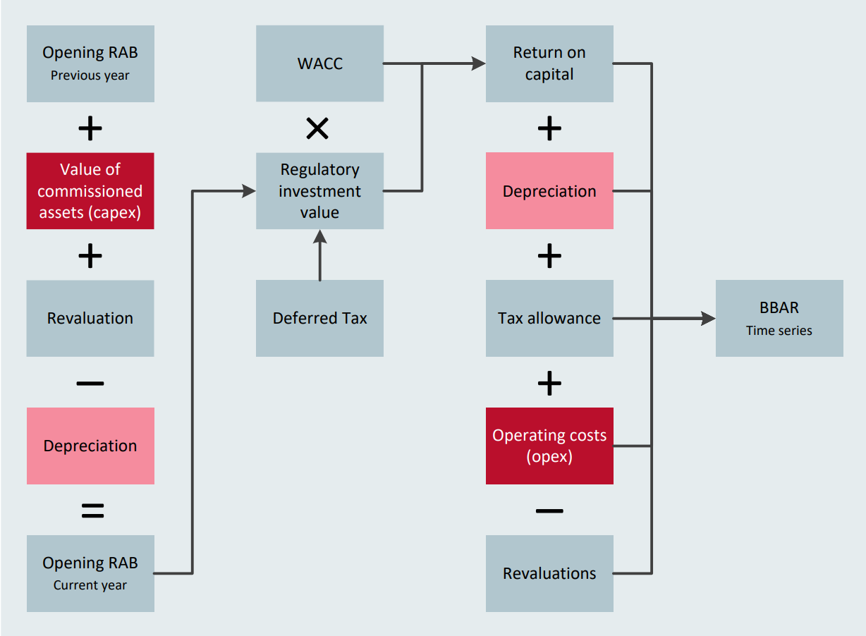
 |  |  |  | (regulatory investment value × cost of capital + total value of commissioned assets × (TFVCA - 1)
 |  |  |  | + term credit spread differential allowance × TF - total revaluation) ÷ (TFrev - corporate tax rate × TF)
 |  |  |  | + (total depreciation × (1 – corporate tax rate × TF)
 |  |  |  | + forecast operating expenditure × TF × (1 – corporate tax rate)
 |  |  |  | + (closing deferred tax – opening deferred tax) × (TF – 1)
 |  |  |  | + (permanent differences + regulatory tax adjustments - utilised tax losses) × corporate tax rate × TF)
 |  |  |  | ÷ (TFrev - corporate tax rate × TF).

The calculations below set out how each of the building blocks are calculated and includes other calculations that feed into the building blocks.

1) Term credit spread differential allowance (TCSD)
The TCSD allowance compensates suppliers for the additional debt premium that can be incurred from issuing debt with an original tenor longer than the five-year debt premium allowance implicit in the WACC.
It is calculated by adjusting the base year allowance by an asset base scaling factor based on the size of the opening RAB in any year compared to the opening RAB at the start of the regulatory period.
It is a component of the return on capital calculation below.
 |  |  | 2023/24 | 2024/25 | 2025/26 | 2026/27 | 2027/28 | 2028/29 | 2029/30 | IM ref
Aggregate opening RAB value | Input |  | 803,430 | 847,276 | 880,386 | 937,615 | 1,026,719 | 1,104,489 | 1,195,196
Asset base scaling factor | Calc |  | 1.00 | 1.05 | 1.10 | 1.17 | 1.28 | 1.37 | 1.49 | 4.4.7(2)
Term credit spread differential allowance (base year) | Input |  | 376
Term credit spread differential allowance × scaling factor | Calc |  |  | 396 | 412 | 439 | 480 | 517 | 559

2) Regulatory investment value
The regulated investment value (RIV) is used to calculate the return on capital. It is calculated by adding opening RAB and deferred tax .
 |  |  |  |  | 2025/26 | 2026/27 | 2027/28 | 2028/29 | 2029/30
Total opening RAB value | Input |  |  |  | 880,386 | 937,615 | 1,026,719 | 1,104,489 | 1,195,196
Deferred tax asset/ (liability) | Input |  |  |  | (56,872) | (61,181) | (66,403) | (72,638) | (79,551)
Regulatory investment value | Total |  |  |  | 823,515 | 876,434 | 960,317 | 1,031,851 | 1,115,645

3) Return on capital
Return on capital is calculated by adding the return on the opening RIV (RIV x WACC), the return on the total value of commissioned assets for part year, capex x (TFVCA-1)
and the TCSD allowance.
 |  |  |  |  | 2025/26 | 2026/27 | 2027/28 | 2028/29 | 2029/30
Return on opening RIV | Calc |  |  |  | 58,470 | 62,227 | 68,182 | 73,261 | 79,211 |  | RIV x WACC
Return on commissioned assets | Calc |  |  |  | 2,529 | 3,624 | 3,240 | 3,708 | 2,638 |  | Capex x WACC adjusted for capex timing
Term credit spread differential allowance | 1 |  |  |  | 412 | 439 | 480 | 517 | 559 |  | TCSD input
Total return on capital |  |  |  |  | 61,410 | 66,289 | 71,902 | 77,486 | 82,408 |  | Sum of the three rows above

4) Tax impact of non-revenue items
Tax impacts of tax deductible expenditure and tax adjustments are calculated to help determine the total revenue requirement.
 |  |  |  |  | 2025/26 | 2026/27 | 2027/28 | 2028/29 | 2029/30 |  | simple ref
Operating expenditure in expenditure date terms | Input |  |  |  | (45,193) | (46,782) | (48,444) | (50,200) | (52,033) |  | simple ref
Total depreciation | Input |  |  |  | (33,920) | (33,775) | (35,854) | (37,933) | (40,331) |  | simple ref
Regulatory tax adjustments | Input |  |  |  | (4,271) | (5,413) | (6,940) | (8,091) | (9,506) |  | simple ref
Total tax deductible expenditure and tax adjustments | Total |  |  |  | (83,383) | (85,971) | (91,237) | (96,224) | (101,870)
Tax impact of non-revenue items in year-end terms | Calc |  |  |  | (24,160) | (24,909) | (26,435) | (27,880) | (29,516)

5) Allowable revenue before tax
Due to the tax circularity in calculating allowable revenue, allowable revenue for the tax calculation is calculated by adding the return on capital, depreciation and opex building blocks,
together with their respective tax impacts, and then grossing the result up by the tax rate to account for the tax on revenue.
 |  |  |  |  | 2025/26 | 2026/27 | 2027/28 | 2028/29 | 2029/30
Total return on capital | 3 |  |  |  | 61,410 | 66,289 | 71,902 | 77,486 | 82,408 |  | Total from return on capital calculation (3)
Total depreciation | Input |  |  |  | 33,920 | 33,775 | 35,854 | 37,933 | 40,331 |  | Total depreciation input
Impact of stating deferred tax in year-end terms | Calc |  |  |  | (150) | (182) | (217) | (241) | (269) |  | (- Closing deferred tax asset + opening deferred tax) × TFtax
Operating expenditure allowance | Calc |  |  |  | 46,765 | 48,410 | 50,129 | 51,947 | 53,843 |  | Operating expenditure × TFopex
Total revaluation | Input |  |  |  | (18,471) | (18,736) | (20,518) | (22,074) | (23,888) |  | - Revaluation input
Tax impact of non-revenue items | 4 |  |  |  | (24,160) | (24,909) | (26,435) | (27,880) | (29,516) |  | Total from tax on non-revenue items calculation (5)
Total allowable revenue requirement after tax | Total |  |  |  | 99,315 | 104,647 | 110,715 | 117,171 | 122,909 |  | Sum of the six rows above
Allowable revenue before tax in revenue date terms | Calc |  |  |  | 134,489 | 141,710 | 149,927 | 158,670 | 166,439 |  | Total above grossed up for tax (/TFtax-tax rate), converted to revenue date terms (/Tfrev)
Allowable revenue before tax in year-end terms | Calc |  |  |  | 138,282 | 145,707 | 154,155 | 163,145 | 171,133 |  | Total above converted to year-end terms (xTFrev)

6) Regulatory tax allowance
The regulatory tax allowance is calculated by calculating the taxable profit/ (loss) and multiplying this by the tax rate. Taxable profit/ (loss) is calculated by adding allowable revenue,
tax-deductible expenditure and tax adjustments.
 |  |  |  |  | 2025/26 | 2026/27 | 2027/28 | 2028/29 | 2029/30
Allowable revenue before tax in revenue date terms | 5 |  |  |  | 134,489 | 141,710 | 149,927 | 158,670 | 166,439 |  | Total from allowable revenue calculation (5)
Operating expenditure in expenditure date terms | Input |  |  |  | (45,193) | (46,782) | (48,444) | (50,200) | (52,033) |  | - Operating expenditure input
Total depreciation | Input |  |  |  | (33,920) | (33,775) | (35,854) | (37,933) | (40,331) |  | - Total depreciation input
Regulatory tax adjustments | Input |  |  |  | (4,271) | (5,413) | (6,940) | (8,091) | (9,506) |  | Regulatory tax adjustments input
Taxable profit/ (loss) | Total |  |  |  | 51,106 | 55,739 | 58,689 | 62,445 | 64,569 |  | Sum of the four rows above
Regulatory tax allowance in year-end terms | Calc |  |  |  | 14,807 | 16,150 | 17,005 | 18,093 | 18,708 |  | Total above x tax rate , adjusted to year-end terms
Regulatory tax allowance in tax date terms | Calc |  |  |  | 14,310 | 15,607 | 16,433 | 17,485 | 18,079 |  | Total above x tax rate , adjusted to year-end terms
Check to calculations 4 and 5 |  |  |  |  | – | – | – | – | – |  | Checks the result in row 99 to the tax impacts of revenue in calculation 5 and the tax impacts of non-revenue in calculation 4.
Regulatory tax allowance before considering possibility of tax losses, calculation not referencing revenue |  |  |  |  | 14,310 | 15,607 | 16,433 | 17,485 | 18,079
Check |  |  |  |  | – | – | – | – | –

8) Building block allowable revenue before tax (BBAR before tax)
The building block allowable revenue is re-calculated below as per the diagram at the top of the page, by adding together the building blocks calculated individually above.
Because the tax allowance is calculated separately in calculation 6, the circularity due to the tax impact of revenue is avoided. All amounts are stated in year-end terms.
 |  |  |  |  | 2025/26 | 2026/27 | 2027/28 | 2028/29 | 2029/30
Total return on capital | 3 |  |  |  | 61,410 | 66,289 | 71,902 | 77,486 | 82,408 |  | Linked to calculation 3
Total depreciation | Input |  |  |  | 33,920 | 33,775 | 35,854 | 37,933 | 40,331 |  | Total depreciation input
Regulatory tax allowance | 6 |  |  |  | 14,807 | 16,150 | 17,005 | 18,093 | 18,708 |  | Linked to calculation 6
Impact of stating deferred tax in year-end terms | Calc |  |  |  | (150) | (182) | (217) | (241) | (269) |  | (- Closing deferred tax asset + opening deferred tax) × TFtax
Operating expenditure allowance in year-end terms | Calc |  |  |  | 46,765 | 48,410 | 50,129 | 51,947 | 53,843 |  | Operating expenditure × TFopex
Total revaluation | Calc |  |  |  | (18,471) | (18,736) | (20,518) | (22,074) | (23,888) |  | - Total revaluation input
Building block allowable revenue before tax in year-end terms | Total |  |  |  | 138,282 | 145,707 | 154,155 | 163,145 | 171,133 |  | Sum of the six rows above
Building block allowable revenue before tax in revenue date terms | Calc |  |  |  | 134,489 | 141,710 | 149,927 | 158,670 | 166,439 |  | Total above converted to revenue date terms (/TFrev)

Present value of the building block allowable revenue before tax
 |  |  |  |  | 2025/26 | 2026/27 | 2027/28 | 2028/29 | 2029/30
Number of years to discount the year-end values to start of the present value period |  |  |  |  | 1 | 2 | 3 | 4 | 5
BBAR before tax in year-end terms, i.e. Rev * TFrev |  |  |  |  | 138,282 | 145,707 | 154,155 | 163,145 | 171,133
PV at 1 Apr 2025 of BBAR before tax for each year |  |  |  |  | 129,115 | 127,029 | 125,484 | 123,998 | 121,447
PV at 1 Apr 2025 of BBAR before tax over the regulatory period |  | 627,073

Outputs
 |  | Value | 2023/24 | 2024/25 | 2025/26 | 2026/27 | 2027/28 | 2028/29 | 2029/30
Opening investment value |  |  | – | – | 823,515 | 876,434 | 960,317 | 1,031,851 | 1,115,645 |  | simple ref
PV at 1 Apr 2025 of BBAR before tax over the regulatory period |  | 627,073 |  |  |  |  |  |  |  |  | simple ref
Term credit spread differential allowance |  |  |  |  | 412 | 439 | 480 | 517 | 559 |  | simple ref
BBAR before tax in revenue date terms |  |  |  |  | 134,489 | 141,710 | 149,927 | 158,670 | 166,439 |  | simple ref

